SME application form
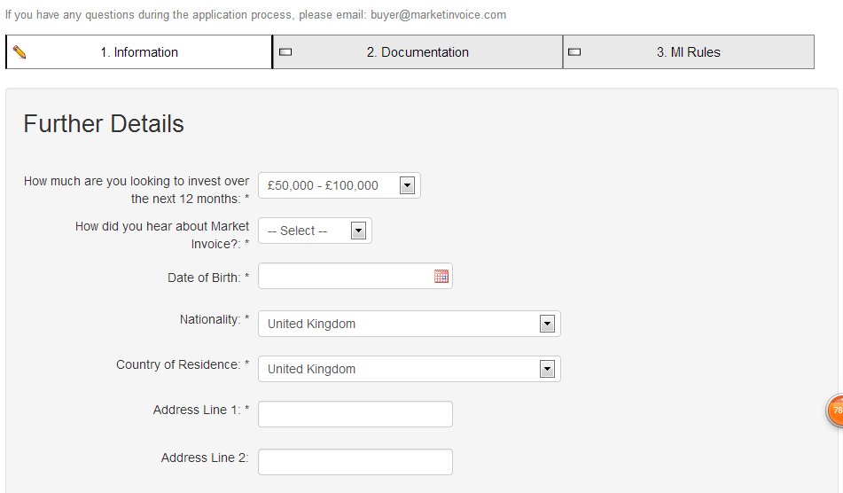
SME application form

 | EntroFine |  |  |  |  |  |  |  |  | Remark
# | Tab | Form data field | Need biz rule for this data field? | Error message if key in wrong info | biz rule for this data field (total length) | biz rule for this data field (character type and rule) | biz rule for this data field (whether special characters allowed and rule) | Mandatory | filling type
2 | Personal information | Title | No |  |  |  |  | * |  | captured from registration form, not allowed to be changed
 |  | First Name | No |  |  |  |  | *
 |  | Last Name | No |  |  |  |  | *
 |  | Email | No |  |  |  |  | *
 |  | Gender | No |  |  |  |  | * | Drop down list: Male, Female
 |  | Date of Birth | Yes | You must be at least 18 or older. |  |  | Must be before the current date and at least 18 years old (system should be able to calculate automatically). Also please change the date picker to this format to make it more user-friendly: | * | Use calendar function, not key in
 |  | Nationality | No |  |  |  |  | * | Drop down list, all country list
 |  | Country of Residence | No |  |  |  |  |  | Drop down list, all country list
 |  | ID type | No |  |  |  |  | * | Drop down list: Resident ID card, Passport number
 |  | ID number | Yes | ID number must be 7-12 characters long & Only letters and numbers are allowed. | 7 to 12 | Both numbers and letters allowed | No special characters | * | Key in box
 |  | Work phone | Yes | Phone number must be 10-13 digits long and start with 0 or 84. | 10 to 13 | Start with 0 or 84. Only numbers | No special characters. Please show this guideance below the data field: "Please fill in your phone number in the following format: Local code + Phone number. E.g. 0438462647" or "84438462647" | * | Key in box
 |  | Mobile phone | Yes | Mobile phone number must be 10-13 digits long and start with 0 or 84. | 10 to 13 | Start with 0 or 84. Only numbers | No special characters | * | Key in box
 |  | Position | Yes |  | 255 | All allowed |  | * | Key in box
 | Company information | Company name | Yes |  | 255 |  |  | * | Key in box | map to license
 |  | Company establishment date | Yes | Company establishment date must be before the current date. |  |  | Must be before the current date. Also please change the date picker to this format to make it more user-friendly: | * | Use calendar function, not key in
 |  | Company registration number | Yes | Company registration number must be 8-12 characters long & Only letters and numbers are allowed. | 8 to 12 | Both numbers and letters allowed | No special characters | * | Key in box
 |  | Industry sector company operates in | No |  |  |  |  | * | Drop down list, mapping to VPBank SME industry segment (for SME indutry blklist)
 |  | Company tax code | Yes | Company tax code must be 8-12 characters long & Only letters and numbers are allowed. | 8 to 12 | Both numbers and letters allowed | No special characters | * | Key in box | Map to tax code registration doc or license
 |  | Company address | Yes |  | 255 |  |  | * | Key in box
 |  | District | Yes |  | 255 |  |  | * | Key in box
 |  | City | Yes |  | 255 |  |  | * | Key in box
 |  | Region, state or county | Yes |  | 255 |  |  | not mandatory | Key in box
 |  | Country | No |  |  |  |  | * | Drop down list, all country list
 |  | Postcode | Yes | Post code must be 4-8 characters long. | 4 to 8 |  |  |  | Key in box
 |  | Mailing address | Yes |  | 255 |  |  | * | Key in box
 |  | Dsitrict | Yes |  | 255 |  |  | * | Key in box
 |  | City | Yes |  | 255 |  |  | * | Key in box
 |  | Region, state or county | Yes |  | 255 |  |  | not mandatory | Key in box
 |  | Postcode | Yes | Post code must be 4-8 characters long. | 4 to 8 |  |  |  | Key in box
 |  | Pls choose the nearest SME center you would like to go for contract signing | No |  |  |  |  | * | drop down list of VPB SME centre/branch
 | Further Details | Choose the most 5 main debtors from the eligible debtor list | No |  |  |  |  | optional | need to build in eligible debtor list in our system，这里你们看下怎么处理，是不是让他们打字，然后我们系统可以模糊搜素，再让他们选择，你们可以参考market invoice里面become a seller，他们就有一个模糊搜素的功能， 我们需要预留5个输入框
 |  | if others please specify | Yes |  | 255 |  |  | optional | 允许填1-5个debtor name, 客户自己手工输入, 我们需要预留5个key in box
 |  | Your company's average invoice amount on yearly basis | No |  |  |  |  | * | Drop down list: A. VND 100 million - 500 million B. VND 500 million - 1 billion C. VND 1 billion - 2 billion D. VND 2 billion - 3 billion E. VND 3 billion - 4 billion F. VND 4 billion - 5 billion G. Above VND 5 billion
 |  | If you have token for e-signature use , please specify the serial number on your token | Yes |  | 255 |  |  | optional | Key in

